Sheet1
 |  | Document No. | Issue No. |  | Issue Date |  | Review and Replace Date |  |  | Authorised By
 |  | GFF310MC | 7 |  | 20.09.2021 |  | 29.03.2023
 |  | Document Title | THAI GREEN CHICKEN CURRY WITH BLACK RICE 400G
 |  | Tray & Film Changed Black rice recipe name changed |  |  |  | Page |  | 1 of 1 |  | Magda Shah
Document amendments reason for change |  |  |  |  |  | Previous Issue Date |  | 21.12.2022 |  | Uncontrolled copy unless signed original

FCTGBR1-R8TMC | MINDFUL CHEF |  | THAI GREEN CHICKEN CURRY WITH BLACK RICE 400G | FROZEN
STEP 1 |  |  |  |  |  | STEP 2
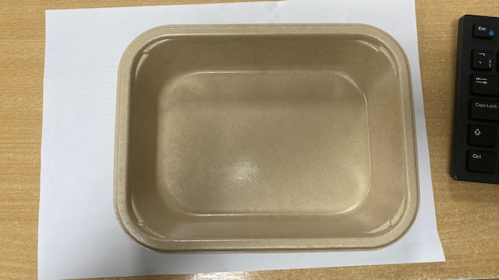 |  |  |  |  |  | 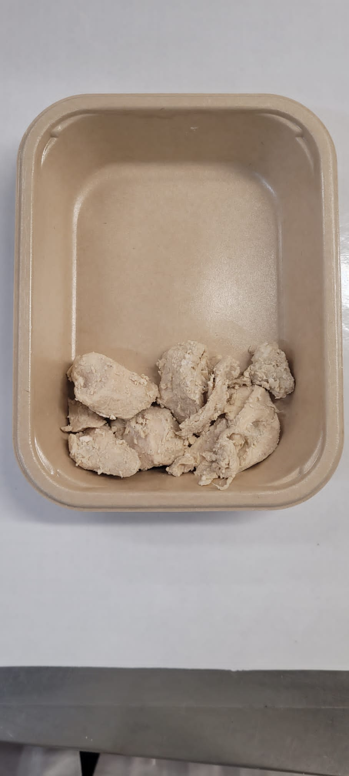

PACK DAY + 1 YEAR
NON-MAP PACK

Tray: Flat Tray-PET Fresh Fibre Food Tray (200 x 155 x 39)-PKHUH001-01 |  |  |  |  |  | Mindful Chef Cooked Chicken(GFF357R): 70g
Film: K peel 7G+25A/f-275mm-(PKKMP001-03)
STEP 3 |  |  |  | STEP 4 |  |  |  |  | STEP 5
 |  |  |  | 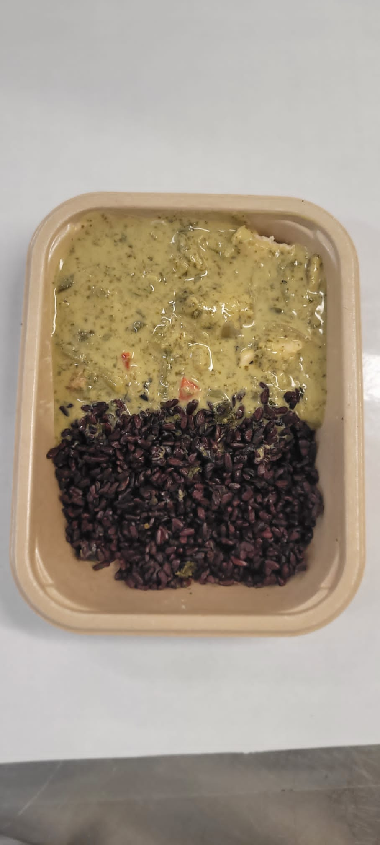 |  |  |  |  | 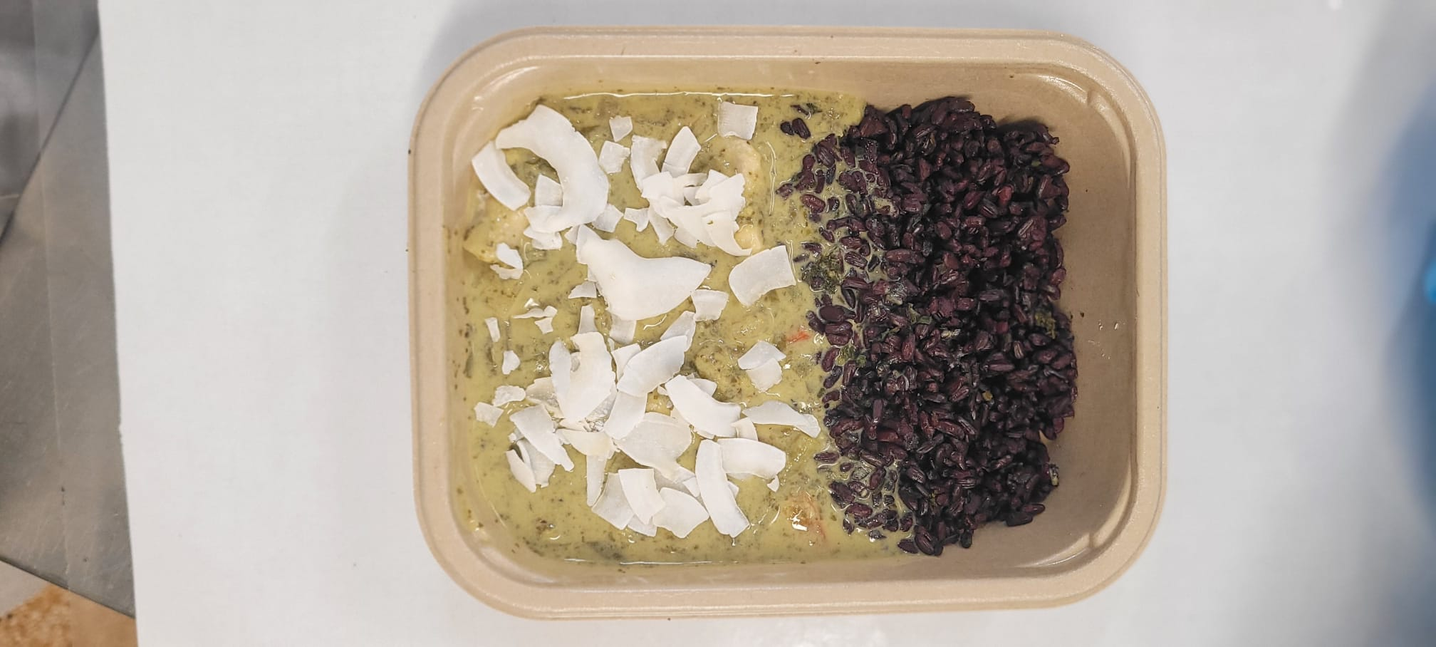

Coriander Black Rice (MC) (GFF238R): 100g |  |  |  | Thai Green Curry Sauce (MC) ( GFF376R): 225g |  |  |  |  | Raw Coconut Chips (RMKLU001-05): 5g |  | TOTAL WEIGHT: 400g

ALLERGY ALERT: none

